Information
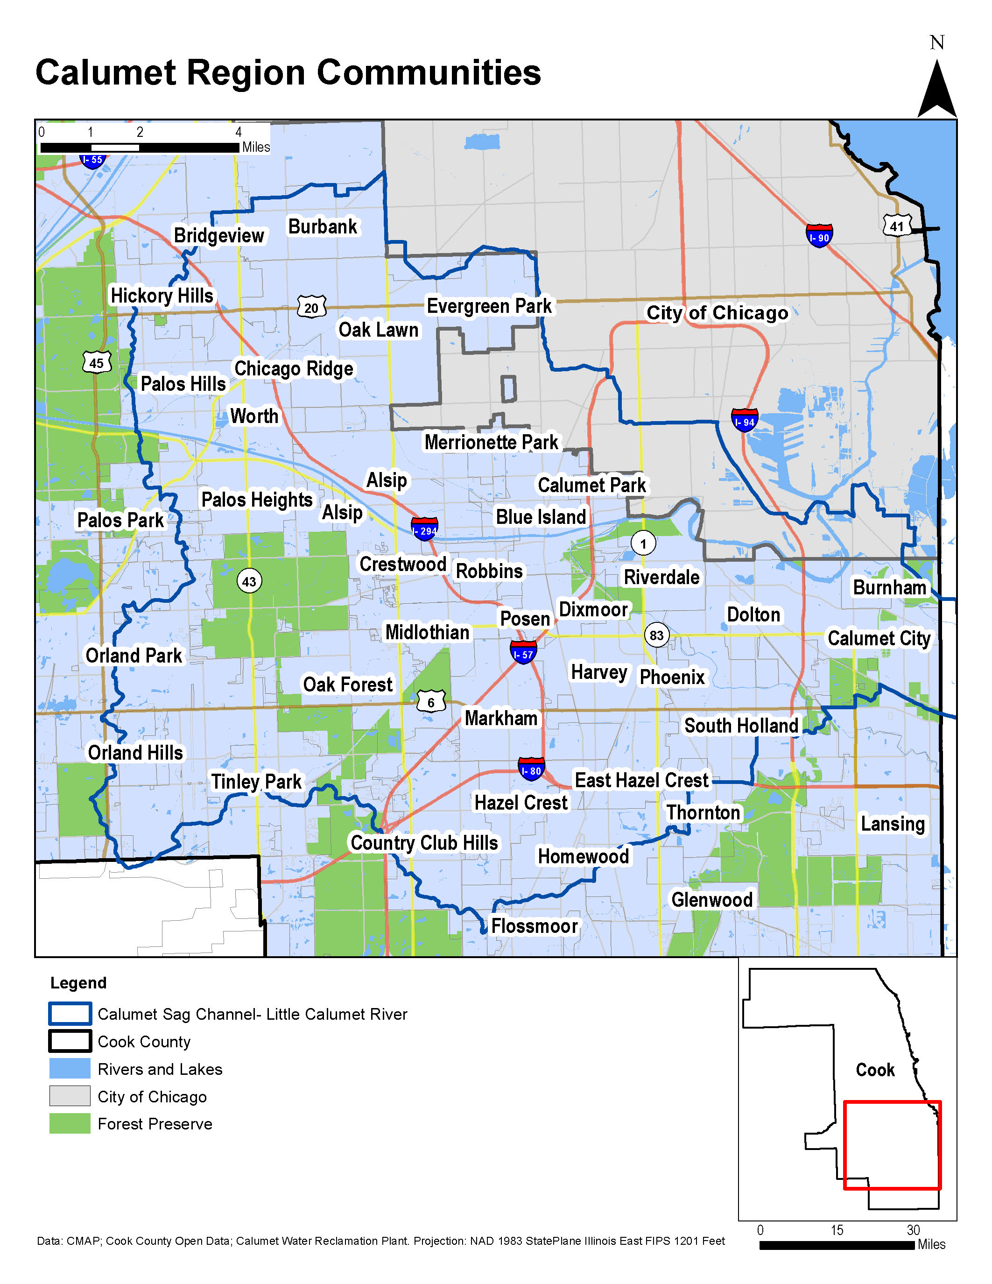
Green Infrastructure Baseline Inventory of the Calumet Region of Illinois
The Metropolitan Planning Council (MPC), in coordination with the Calumet Stormwater Collaborative, is developing the Green Infrastructure Baseline Inventory (GIBI). This dataset aims to document existing green infrastructure (GI) installations in the Calumet region of Illinois. This data will help inform decisions and strategic planning to improve stormwater management across the Calumet region. The GIBI will be a free and publically accessible resource to document where GI already exists, and how it is performing, to inform future stormwater planning endeavors.

Timeline
Data on existing green infrastructure in the Calumet is being gathered through June 2021, and the dataset will be live and ready for use prior to the end of 2021. MPC intends for the dataset to be updated at regular intervals thereafter.

Contribute a Project to the Inventory
Did you play a role in the development or construction of green stormwater infrastructure in the Calumet region of Illinois? Please contribute to the inventory! Add information to the "Insert Data Here" tab in this workbook. **Use one row per GI installation.** If one parcel has multiple GI installations, please use an additional row for each. When complete, please submit completed forms to Justin Keller at jkeller@metroplanning.org.

For More Information, Assistance and Alternative Submission Options
Please contact Justin Keller at jkeller@metroplanning.org or by phone at (312) 863-6033. MCP is available to assist you in the submission process and to answer any questions you may have. More information is available at:
www.metroplanning.org/GIBI

This project is supported by the Illinois Department of Natural Resources’ Coastal Management Program through a federal grant from the National Oceanic & Atmospheric Administration, U.S. Department of Commerce.

